K-nearest Neighbours
K-nearest Neighbours Results
Optimal set-up:
K | Algorithm | Weights | Leaf size | Av. Training Time/s | Av. Testing Time/s | Accuracy
3 | brute | distance | N/A | 0.576 | 35.238 | 0.9709

Accuracy vs. K
Finding the optimal K value
K | Algorithm | Weights | Leaf size | Accuracy
1 | brute | uniform | N/A | 0.9677
3 | brute | uniform | N/A | 0.97
5 | brute | uniform | N/A | 0.9679
7 | brute | uniform | N/A | 0.9679
9 | brute | uniform | N/A | 0.9662
11 | brute | uniform | N/A | 0.9656
13 | brute | uniform | N/A | 0.9641
15 | brute | uniform | N/A | 0.9628
17 | brute | uniform | N/A | 0.9633
19 | brute | uniform | N/A | 0.9625
21 | brute | uniform | N/A | 0.9618
23 | brute | uniform | N/A | 0.9603
25 | brute | uniform | N/A | 0.96
27 | brute | uniform | N/A | 0.9589
29 | brute | uniform | N/A | 0.9582

Finding the optimal weight function
K | Algorithm | Weights | Leaf size | Accuracy
3 | brute | uniform | N/A | 0.97
3 | brute | distance | N/A | 0.9709
Weights vs. Accuracy

Finding the optimal leaf size for the k-d tree algorithm
K | Algorithm | Weights | Av. Training Time/s | Av. Testing Time/s | Leaf size | Accuracy
3 | k-d tree | distance | 14.287 | 762.876 | 100 | 0.9709
3 | k-d tree | distance | 15.039 | 773.846 | 200 | 0.9709
3 | k-d tree | distance | 15.072 | 771.646 | 300 | 0.9709
3 | k-d tree | distance | 14.078 | 761.47 | 400 | 0.9709

Finding the optimal leaf size for the ball tree algorithm
K | Algorithm | Weights | Av. Training Time/s | Av. Testing Time/s | Leaf size | Accuracy
3 | ball tree | distance | 12.106 | 725.694 | 100 | 0.9709
3 | ball tree | distance | 12.034 | 728.693 | 200 | 0.9709
3 | ball tree | distance | 12.093 | 722.608 | 300 | 0.9709
3 | ball tree | distance | 11.708 | 724.827 | 400 | 0.9709

Finding the optimal algorithm
K | Algorithm | Weights | Leaf size | Av. Training Time/s | Av. Testing Time/s | Accuracy
3 | k-d tree | distance | 400 | 12.87 | 755.134 | 0.9709
3 | ball tree | distance | 300 | 11.697 | 725.228 | 0.9709
3 | brute | distance | N/A | 0.576 | 35.238 | 0.9709
Av. Training Time vs. Accuracy vs. Algorithm
Algorithm vs. Av. Testing Time

Support Vector Machine
Support Vector Machine Results
Optimal set-up:
Kernel | C | Gamma | Av. Training Time/s | Av. Testing Time/s | Accuracy
poly | 0.001 | 10 | 354.971s | 94.801s | 0.9788

Finding the optimal C value for LinearSVC
Kernel | C | Av. Training Time/s | Av. Testing Time/s | Accuracy
linear (liblinear) | 1 | 140.058 | 0.594 | 0.9178
linear (liblinear) | 0.1 | 48.789 | 0.753 | 0.9178
linear (liblinear) | 0.01 | 4.617 | 0.608 | 0.9122
linear (liblinear) | 0.001 | 5.361 | 0.578 | 0.9122
LinearSVC (implemented with liblinear)
Average Training Time vs. C

Finding the optimal C value for SVC with Linear Kernel
Kernel | C | Gamma | Av. Training Time/s | Av. Testing Time/s | Accuracy
linear (libsvm) | 1 | N/A | 490.118 | 611.742 | 0.9393
linear (libsvm) | 0.1 | N/A | 397.853 | 137.349 | 0.9453
linear (libsvm) | 0.01 | N/A | 532.966 | 707.308 | 0.9435
linear (libsvm) | 0.001 | N/A | 1102.411 | 300.439 | 0.9296
SVC with linear kernel (implemented with libsvm)
Accuracy vs. C

Finding the optimal Gamma value for the SVC method with Poly Kernel
Kernel | C | Gamma | Av. Training Time/s | Av. Testing Time/s | Accuracy
Poly | 0.001 | 1 | 356.348 | 448.722 | 0.9788
Poly | 0.001 | 10 | 354.971 | 94.801 | 0.9788
Poly | 0.001 | 100 | 354.684 | 446.987 | 0.9788

Finding the optimal C value for the SVC method with Poly Kernel
Kernel | C | Gamma | Av. Training Time/s | Av. Testing Time/s | Accuracy
Poly | 1 | 10 | 362.194 | 455.952 | 0.9788
Poly | 0.1 | 10 | 364.361 | 458.145 | 0.9788
Poly | 0.01 | 10 | 364.084 | 457.351 | 0.9788
Poly | 0.001 | 10 | 354.971 | 94.801 | 0.9788
Average Testing Time vs. Average Training Time vs. C
Poly | 0.0001 | 10 | 363.619 | 457.227 | 0.9788

Comparing the results
Rank | Method | Kernel | Av. Training Time | Av. Testing Time | Accuracy
1 | SVC | poly | 354.971 | 94.801 | 0.9788
2 | SVC | linear (libsvm) | 397.853 | 137.349 | 0.9453
3 | LinearSVC | linear (liblinear) | 48.789 | 0.753 | 0.9178
Av. Training Time, Av. Testing Time vs Method
Accuracy vs. Method

CNN
epochs | batch size | Training Time (s) | Testing Time (s) | Accuracy / Average Accuracy (%)
20 | 500 | 3240 |  | 99.69
12 | 500 | 1552 |  | 98.97
12 | 128 | 1631 |  | 99.26
1 | 500 | 123 |  | 93.87
1 | 128 | 133 |  | 97.56
1 | 1000 | 121
1 | 10000 | 126

 |  | WITH GPU TURNED ON
3 | 500 | 9 | 1.7 | 97.6
6 | 500 | 24 | 1.7 | 98.5
12 | 500 | 40 | 1.7 | 98.9
18 | 500 | 49 | 1.8 | 99.1
30 | 500 | 80 | 1.7 | 99.2
45 | 500 | 119 | 1.7 | 99.3
Epochs related to Training time and Accuracy graph

Conclusion
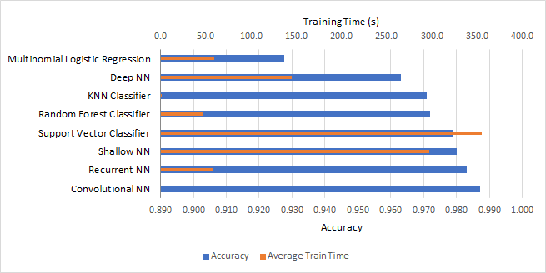
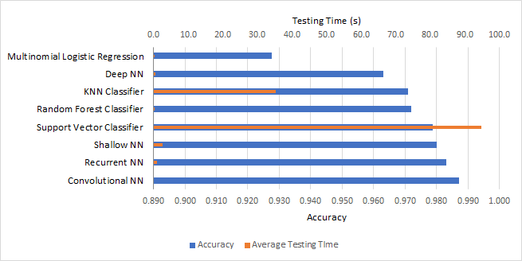
Rank | Technique | Average Training Time (seconds) | Average Testing Time (seconds) | Accuracy
1 | Convolutional NN |  |  | 0.9872
2 | Recurrent NN | 57.27 | 1.04 | 0.9831
3 | Support Vector Classifier | 354.971 | 94.801 | 0.9788
4 | Random Forest Classifier | 47.4538 | 0.353 | 0.972
5 | KNN Classifier | 0.576 | 35.238 | 0.9709
6 | Shallow NN | 41.7 | 0.5 | 0.9593
7 | Multinomial Logistic Regression | 58.9474 | 0.0221 | 0.9276
8 | Deep NN | 145 | 0.5 | 0.963

